General Form
Cleient's change request
General Form
JiBe's Specification
Mock-Ups
JB - 40
Work Flows
QA

Requirements Specification

 | Requirment Change Name: |  | JB-40 Linking Certificate and Inspection Modules |  |  | Date: | 2016-12-26

 | Requested By: | JiBe |  | Analyzed By: | Oded Sittsamer | Developer lead:

 | Client
 | Task |  |  |  |  |  |  | Status
 | Client writing the requirments for the specific change |  |  |  |  |  | Done by JiBe

 | JiBe
 | Task |  |  |  |  |  |  | Status
 | Create full specification for the requirements |  |  |  |  |  | Done

 | Create Mock-Ups for all new menues and screens you create |  |  |  |  |  | Done

 | Create the workflow of the new change |  |  |  |  |  | Done

 | Create main test scenarios and testing highlights for QA

BRD
Cleient's change request
General Form
JiBe's Specification
Mock-Ups
JB - 40
Work Flows
QA

BRD

 | To be filled by the client |  |  |  | To be filled by JiBe

 | No. | Sub-No. | Required Funtions | Provide more detail / clarifiation (if required) | JiBe Solution | Priority Y/D
 | 1 |  | Create a link between the certificates and the inspection module |  |  | Y
 |  | 1.1 | Allow scheduling an inspection from the certificate module |  |  | Y
 |  | 1.2 | Display the planned and expired dates of certificates on the calendar |  |  | Y
 |  |  | Fix various issues in the certificate module

Specifications
Cleient's change request
General Form
JiBe's Specification
Mock-Ups
JB - 40
Work Flows
Risk Assessment
QA
Development Features list

Specification

 |  | Requirment Change Name: |  |  | JB-40 Certificates and Inspections | JIT Number:

 | 1. Introduction
 | This document specify the required changes in order to link between the certificate and inspection modules

 | 2. About this Requirement
 | The requirement specify the required changes that will allow users to create inspections for certificates, and display certifcates expiration date in the vessel calendar

 | 3. Reason for the change
 | Users wants an easy access from the certificate module to the inspection module

 | 4. Requirement or change specification
 | 4.1 | Required Changes - overview
 |  | 4.1.1 | JiBe will have a link between the Certificate Module and the Inspection Module.
 |  | 4.1.2 | The link will allow office user to schedule inspection directly from the certificate and from the calendar

 | 4.2 | Workflow
 |  | 4.2.1 | Each certificate will be marked if it requires an inspection or not. This checkbox will not affect the workflow, but will be for indication only
 |  | 4.2.2 | The expiration date of all certificates will be shown in the inspection calendar together with reminders (regardless if the certificate is marked for inspection or not)
 |  | 4.2.3 | The user will be able to create new inspection for the certificate directly from the calendar (see Calendar tab)
 |  | 4.2.4 | User will be able to scheduled inspection from the "Single certificate" page
 |  | 4.2.5 | There will be no re-occurrence for the inspections that were created for certificate (All "Certifcate realted" inspections will be one time inspections)
 |  | 4.2.6 | Once the inspection was scheduled, the workflows are separated (there is no relationship between the the inspection and the certificate)
 |  |  | 4.2.7 | When the inspection is marked as completed, it will be highlighted in green in the certificate page

 | 4.3 | "Add new"
 |  | 4.3.1 | Creation of new single certificate will be done from within the certificate itself. Creating a new certificate will automatically create new entry in the system.
 |  | 4.3.2 | The expected workflow should be: If specific certificate has 5 single certificates, clicking "add new" will create single certificate number 6.
 |  | 4.3.3 | The new certificate will be added to the list, but the system will calculate its expiration date only once it was verified
 |  |  | 4.3.3.1 | User will be able to add new certificate just to schedule an inspection for it. Once the inscpection was completed, and the certificate was sent, the rest of the details will be uploaded

 | 4.4 | Vessel Sync
 |  | 4.4.1 | Only valid and verified certificate will be synced to the vessel. Future certificates will not be synced. Current situation?
 |  |  | *we need to understand what happens when the company received a new certficiate that will be valid in a future date (e.g. in one month). Until then, the old certificate is still in use. What certifiacte will be shown on the vessel? Currently, are all certificates shown on board or only the newest one?

 | 4.5 | Remove certificate
 |  | 4.4.1 | Currently, there is no option to remove single certificate from the "Certificate/Survey" group.
 |  | 4.4.2 | "Delete" option will be provided only to "Admin" user
 |  | 4.4.3 | Once "Delete" is selected (view item XX for button specification) the system will prompt a confirmation massage "Do you want to delete the certificate XXXX (Certificate name) record X/X (number like 4/4)?". with Continue/Cancel options. Continue - will delete the chosen record (for example record 4/4, NOT the full category). after deleting it, the newest certificate will be the record 3/3
 |  | 4.4.4 | The option to make a certificate group unavailable will be moved to the admin screen for certificates. The workflow will remain the same

 | 4.6 | General Requirements
 |  | 4.6.1 | All the admin pages for the certificate will be consolidated to one page using tabs
 |  |  | 4.6.1.1 | Create new page named "Survey and Certificate Settings"
 |  |  | 4.6.1.2 | Add the following pages as tabs in that page (keep the order below):
 |  |  |  | | - "Survey Certificate"
 |  |  |  | || - "Survey Category"
 |  |  |  | ||| - "Certificate Authority"
 |  |  |  | |||| - "Survey Doc Type"
 |  |  |  | V - "N/A Survey and Certificates"
 |  |  |  | VI - Survey vessel assignment (move it to the admin page as well)

 |  | 4.6.2 | Snippets fix: Change all the snippets with the title "xxxx Expiry in XX days" to "xxxx Expired in xx days"
 |  | 4.6.3 | Change the Alerts to be per vessel assignement will be done as part of the alerts scheduler change requests. Do not do it as part of this change
 |  | 4.6.4 | in the "New inspection" window (when scheduling new inspection), change the filter for port selection tool from multiple port selection to a single option so the user can select only one port. Once a port was select, make sure the port name is shown to the user.
 |  | 4.6.5 | Make the default frequency of new inspection (when scheduling new inspection) to "One Time" interval
 |  | 4.6.6 | Change the "Survey and Certificate" page to show 100 entries byt default when open (instead of 20 today)
 |  | 4.6.7 | Change the default start date of the issue and expiry date in the "Survey list" page to 1990 (instead of 1900)
 |  | 4.6.8 | Move the "Show all" option from the "Date selection" field to the "Expire in" list (should be one more radio button selection option)

 | 4.7 | Phase 2 - Do Not develop it right now
 |  | 4.7.1 | Add filters to the "N/A Survey List" so the user will be able to filter for specific vessel (See N/A survey list tab for detailed requirements)
 |  | 4.7.2 | Allow JiBe admin to configure if alerts will be calculated according to the "Calculated expiration date" (current setting), or according to th eoriginal expiration date

 | 5. Any specific format provided for the change
 | N/A

 | 6. Who all will be using this feature
 | Office users - Technical and Quality users

 | 7. What other modules will use this feature/data
 | Only certificate and inspection modules

 | 8. Any Menu/Access need to be added or removed
 | Menus - Change the menus to Tabs as mentioned above

 | Delete icon (new) on the certificates page will be available under delete access rights.
 | 9. Any Feature need to Removed/Retired
 | No

Development Features
Cleient's change request
General Form
JiBe's Specification
Mock-Ups
JB - 40
Work Flows
Risk Assessment
QA
Development Features list

Development features list

 |  |  |  | Team Leader:

 | No. | Date | Feature Name | Feature description | Feature type | Calrifications | Status (to be filled once developed) | Remarks

Configuration Page
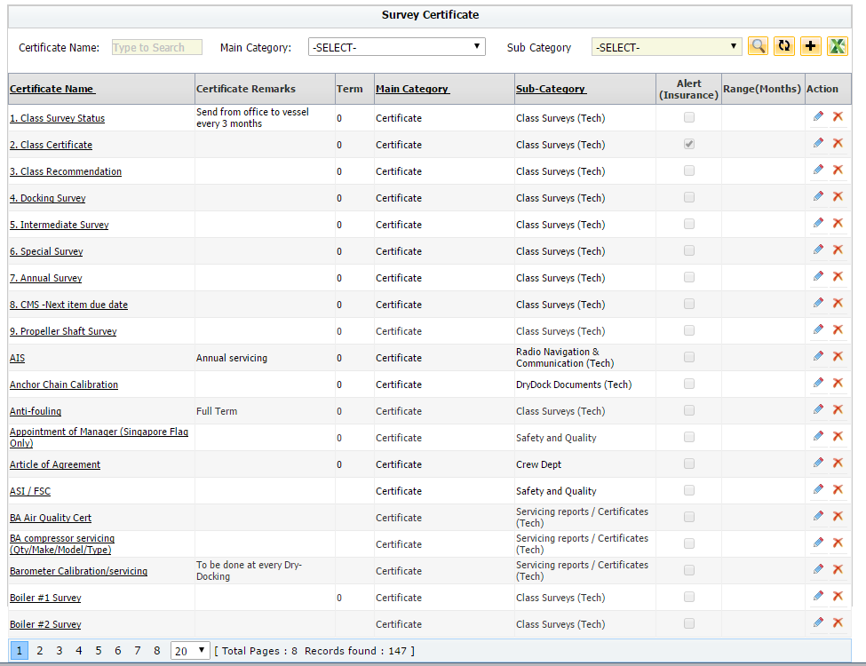

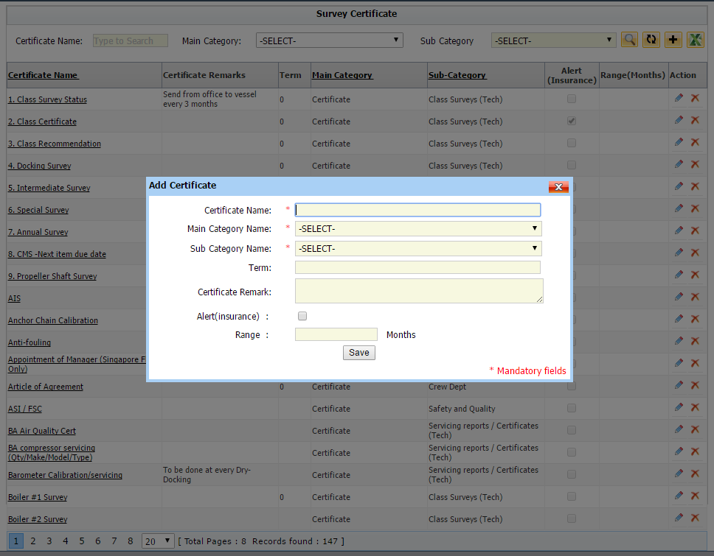

Inspection Required?

Inspection Required?:

Item Number 01 | Item Number 02

General Description: | General Description:

This is the "Create new certificate page" and the required changes | This is the index page for the different certificates in JiBe

Other Requirements: | Other Requirements:

* Add "Require Inspection?" checkbox (If marked = Requires inspection. If unchecked = Nor required inspection)

 | * Add new column for "Inspection required" - add "Y" when required. keep empty when not required.

 | * Change the Alert(insurance) to be on the same way - "Y" when yes. Empty when no.

Survey Index
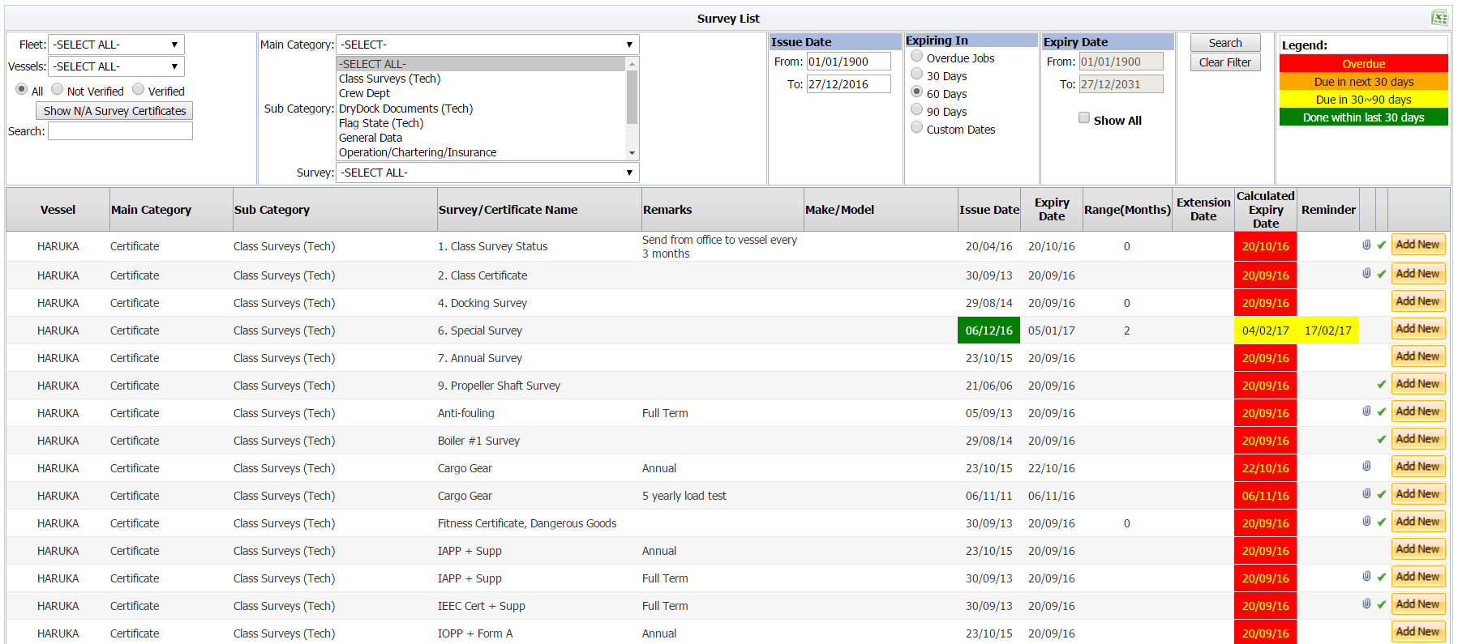

 |  |  |  |  |  | .

Item Number 03

General Description:

No change to this page

Main Filters: List of ilters that will appear in the main banner. Specifiy the name of the

 | Name | Type | Values | Default | Notes

 |  |  |  | All

 |  |  |  | All

 |  |  |  | All

 |  |  |  | All

Survey Details
Option B

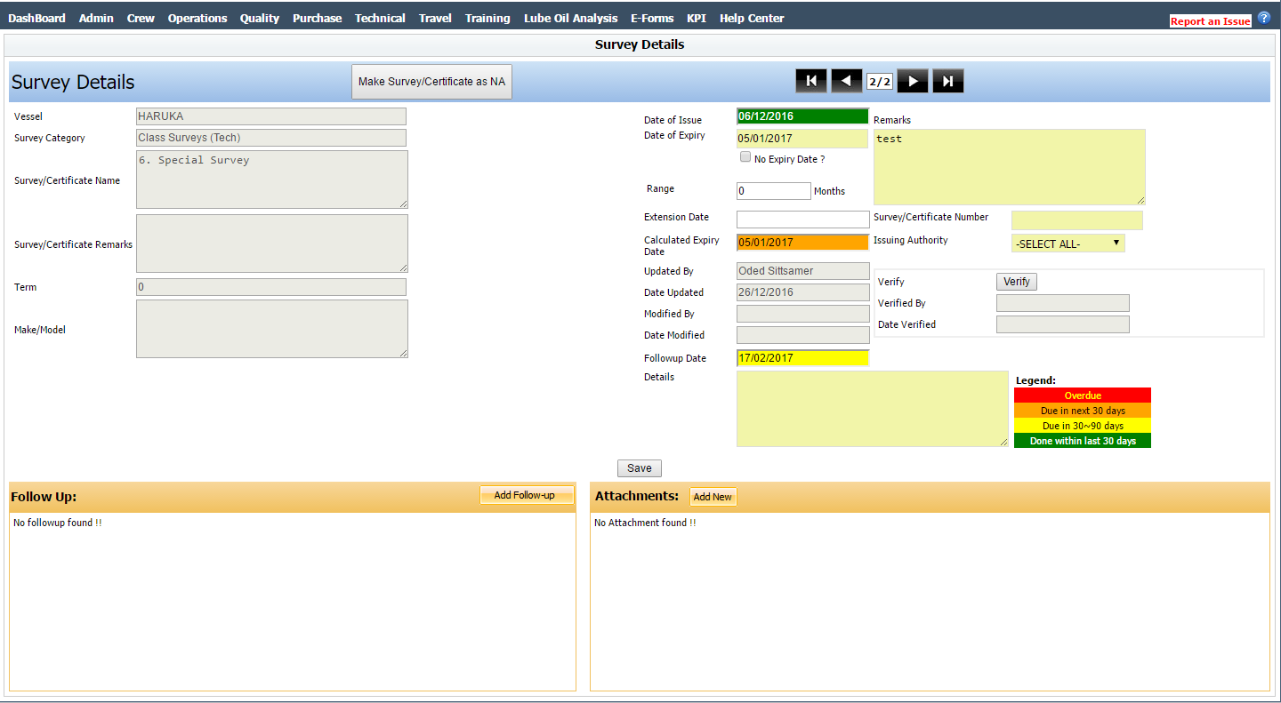

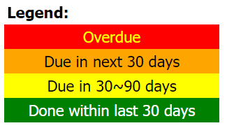

Remarks

Calculated Expiry Date

Certficate Inspection

Renewal Inspection Date

Inspection Required?
V

 | .

General Description:

This is a reference item. This is the current "Survey Details" that currently exist in the system

 | Item Number 04

 | Requirements:

 | * Move the "Created by" and "last modified by" to be same as other pages in JiBe (a footer in the page)

 | * Rearrange the page according to the mockup (make sure everything is aligned!)

 | * Add the "Inspection Required?" field on the left side

 | * Inspection field will be available regardless if it is marked as required or not, to enable the user scheduling inspection in case they wish to.

 | * Add the "Inspection Date" that will be added when creating new survey (from the survey list or from the inspection calander). Clicking the + button will open the "Schedule new inspection" window. Once an inspection was created the date will appear in the window, and the + will be inactive. Clicking the date will open the inspection page in the inspection index (will be filtered to display only this inspection)

 | * When the inspection is completed, mark the field in green

 | * If the inspection is overdue, highlight it in red

 | * Clicking the question mark will open the legend as popup

 | * Move the "Make Survey/Certificate as NA" to the screen of "Survey and certificates"

 | * Move the "Add New Attachment" button to the right side of the line, so the alignment will be the same as the "follow up"

 | * Remove the blue banner in the upper part

 | * Move the "certificate nevigation panel" (the panel that aloows scrolling between inspection) to the right side of the page, and remove the blue background

 | * All this page should be designed by the designer to make sure it looks good and aligned

 | * Change the name of the field "Followup Date" to "Reminder Date"

 | * If the user is adding a new certificate (completing the "Expiry Date"), and the certificate has an open inspection (has not been completed in the inspection Module), the system will prompt him a message "There is an open inspection for this Survey/Certificate. Are you sure you want to proceed?" Continue/Cancel. The User will be able to continue and upload the certificate without completing the inspection if he wishs to.

 | * "X" icon (top right) will delete the specific record of this certfiicate. Both from office and from vessel. Will be available with for Delete access rights (see point 4.5 on the specification). Delete option will be available for "Unverified" certificate. to delete verified certificte, user first must unverify it, and onlt than delete it.

 | * "Certificate Inspection" will refer to the inspection that was done in order to receive the current certificate. By default this certificate will be created from the "Renewal Inspection" that was created in the previous certificate.

 | * User will be able to link different inspection (replace the existing one, or link a new one) by clicking the "Link" icon. The link icon will open a popup with list of inspection for this specific vessel , with filters for status, port and date.

 | * "Renewal Inspection" will refer to the inspection that is scheduled in order to receive the new certificate. User will be able to schedule a new inspection, or to link an existing one (with the same logic and filters as "Certificate inspections"). Once the inspection date was set, if the user will create new certificate, the date will automatically be added as the "Certificate Inspection" of the new certificate.

 | * If user has modified the "Certificate Inspection" manually, changed the "Renewal inspection" in the previous certificate will not overide it.

NA Survey List
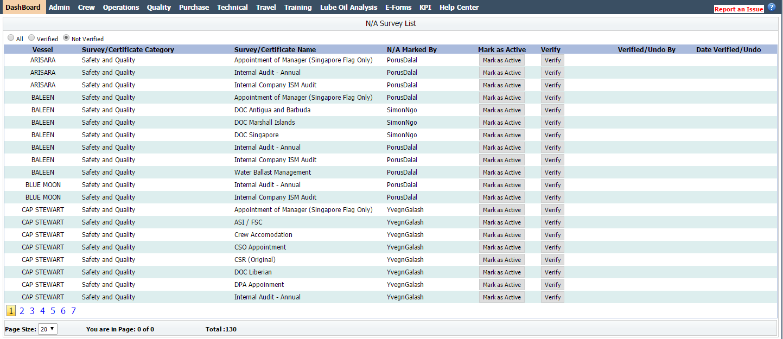

 |  |  |  |  |  | .

Item Number 05 - Phase 2

General Description:

This is the NA Survey list page. No changes will be done for this page beside adding filters. In addition, add search box for the certificate name

Main Filters: List of ilters that will appear in the main banner. Specifiy the name of the

 | Name | Type | Values | Default | Notes

 | Fleet | Checkbox | All, list of fleets | All

 | Vessel | Checkbox | All, list of vessels | All

 | Survey/Certificate Category | Checkbox | All, list of Categories | All

 | Status | Checkbox | All, Pending Verification, Verified | All

Inspection Calendar
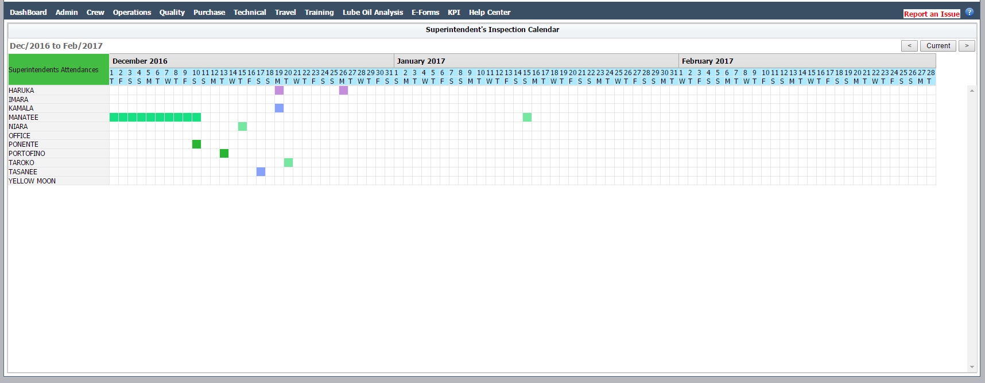

Certificate Name: 1. Class Certificate
Issue Date: 12-Dec-2015
Calculated Expiry Date: 23-Jan-2017
Renewal Inspection: Not Scheduled
View Survey/Certificate
Certificate Name: 1. Calss Certificate
Issue Date: 12-Dec-2015
Calculated Expiry Date: 23-Jan-2017
Reminder: Reminder Text
View Survey/Certificate

 | .

Item Number 06

General Description:

The inspection calendar will contain 2 more icons. Red icon to indicate the expiration date of a certificate, and Yellow icon to display reminders that were added to the certification

Other Requirements:

* Once the certificate was completed (Verified), and a new expiry date was given, remove the old mark from the calendar, and display ONLY the new calculated expiration date

* Popup (expiry) - If an inspection was not scheduled yet, the inspection date will show "Not Scheduled". If an inspection was scheduled, show the inspection date. Clicking the inspection date will open the inspection in the inspection page

* The "View Survey/Certificate" button will link to the "survey details" page

* remove the wording "superintendent attendance" keep it gray and empty.

* The "Renewal Inspection" will be taken from the "Renewal Inspection" field for the corrosponding certificate

Impact Analysis
Cleient's change request
General Form
JiBe's Specification
Mock-Ups
JB - 40
Work Flows
Risk Assessment
QA

Impact Analysis

 | Requirment Change Name: | Crew - Vessel type assignment |  | Date: | 2016-10-12

# | Risk |  | Risk Factors |  |  | Mitigating Actions | Risk Summary
1 | Corrupting the data base |  | Adding new fields, and removing existing might affect the data base |  |  | The changes are mostly "cosmetics". The main risk is the "Add new" button (changed workflow). Must be tested to make sure expiration date and vessel sync works properly | Medium risk - Must be tested to make sure the sync and expiration calculation will not be harmed

2 | Changing / losing historical data |  | The new chage request will affect historical data and make unwanted changes. |  |  | No changes to historical data base. historical data will be tested on the testing server. | No changes to historical data base.
3 | Causing unplanned change to workflows or other modules |  | Workflows not working due to unplanned changes in the workflows |  |  | The workflow will be changed according to the document. Testing team should test that the workflow is not harm after the change focusing on the worklist | Medium. Testing must verify that the workflow remains the same after the change
4 | Client specific change request - accidently implimenting this change or the related workflows/features to other clients |  | Create different workflows for different clients |  |  | The change will affect all clients | Low risk due to the fact that the change was designed to all clients
5 | Causing discrepancies between the OnBoard module and the Office module due to the changes implemented. |  | The on board module will display different data than the office |  |  | The syncing logic must be tested with the vessel side to make sure it works as written in the document | Medium risk - Must be tested to make sure the sync and expiration calculation will not be harmed
6 | Viewing personal information by unauthorized office personal |  | Viewing personal and sensative documents |  |  | No personal data is available here, access rights are detailed in the specifications | Low risk . Access rights must be tested

